Case2
ri | rxxi | ryyi | uxi | uyi | ni | BiasCorrect | ri*ni | rxxa | Ux | rc | Acompound | wi | w*rc | w(rc-rbarc)^2 | Var(eo) | eC | erradj | vei | w*vei
0.23 | 0.41 | 0.8 | 0.69 | 1 | 64 | 0.23182539683 | 14.836825397 | 0.59342971983 | 1.4492753623 | 0.47053899175 | 0.49268052359 | 15.534982293 | 7.3098149049 | 0.65372846104 | 0.015273901184 | 0.062924415192 | 0.94416334701 | 0.056093619172 | 0.87141338056
0.17 | 0.79 | 0.47 | 0.64 | 0.92 | 222 | 0.17038461538 | 37.825384615 | 0.9018100126 | 1.5625 | 0.3918532911 | 0.43481736469 | 41.972683222 | 16.447134057 | 0.67113688002 | 0.0043540985275 | 0.023029499163 | 0.95983535789 | 0.021216707132 | 0.89052212746
0.17 | 0.26 | 0.47 | 0.79 | 0.94 | 115 | 0.17074561404 | 19.635745614 | 0.36019361792 | 1.2658227848 | 0.51575156578 | 0.33106174632 | 12.604216186 | 6.5006442334 | 0.78996606409 | 0.008440840128 | 0.077013643719 | 0.98274331566 | 0.074378577576 | 0.93748367138
0.2 | 0.83 | 0.32 | 0.76 | 0.87 | 44 | 0.2023255814 | 8.9023255814 | 0.89421154244 | 1.3157894737 | 0.47590751512 | 0.42513634471 | 7.9526001099 | 3.784702157 | 0.35239910889 | 0.022378041269 | 0.12381281622 | 0.9709338207 | 0.11671988755 | 0.92822659055
0.12 | 0.56 | 0.64 | 0.78 | 1.05 | 214 | 0.12028169014 | 25.74028169 | 0.67657690746 | 1.2820512821 | 0.23265883594 | 0.51698741487 | 57.197061246 | 13.307401689 | 0.061322995973 | 0.0045176327445 | 0.016902501392 | 0.99077371222 | 0.016592045523 | 0.94901624397
0.42 | 0.86 | 0.82 | 0.77 | 0.92 | 66 | 0.42323076923 | 27.933230769 | 0.91197723026 | 1.2987012987 | 0.59270785891 | 0.71406302931 | 33.652476649 | 19.946087381 | 3.6051534438 | 0.014803934994 | 0.029033812869 | 0.89047890995 | 0.023022439988 | 0.77476212408
0.02 | 0.61 | 0.69 | 0.74 | 0.97 | 202 | 0.020049751244 | 4.0500497512 | 0.74068317702 | 1.3513513514 | 0.037890644504 | 0.52914780169 | 56.559473998 | 2.1430749226 | 2.9276066234 | 0.0047873421621 | 0.017097809587 | 0.99966800394 | 0.017086458661 | 0.96640111434
0.21 | 0.76 | 0.63 | 0.75 | 1.01 | 92 | 0.21115384615 | 19.426153846 | 0.84916201117 | 1.3333333333 | 0.37474583605 | 0.56345881886 | 29.208697331 | 10.945837701 | 0.34921934762 | 0.010574239281 | 0.033306175995 | 0.96648429756 | 0.031111029131 | 0.90871263353
0.05 | 0.69 | 0.6 | 0.78 | 0.91 | 204 | 0.050123152709 | 10.225123153 | 0.78533673874 | 1.2820512821 | 0.093487972879 | 0.5361454652 | 58.64019981 | 5.4821534094 | 1.7330841946 | 0.0047401762295 | 0.016490324964 | 0.99838553543 | 0.016437121855 | 0.96387610989
0.07 | 0.66 | 0.52 | 0.75 | 1.01 | 271 | 0.07012962963 | 19.00512963 | 0.77533039648 | 1.3333333333 | 0.14672484741 | 0.47796696244 | 61.910605058 | 9.0838240799 | 0.87197009516 | 0.0035639102763 | 0.015600230105 | 0.99618933729 | 0.015481562208 | 0.95847288356
0.09 | 0.66 | 0.66 | 0.75 | 0.96 | 221 | 0.090204545455 | 19.935204545 | 0.77533039648 | 1.3333333333 | 0.16733219349 | 0.53907466084 | 64.222929282 | 10.746563629 | 0.61767999889 | 0.0043738898845 | 0.015051161249 | 0.99371113126 | 0.014862446965 | 0.9545098804
0.27 | 0.79 | 0.64 | 0.66 | 1.01 | 186 | 0.27072972973 | 50.35572973 | 0.89622406055 | 1.5151515152 | 0.50541706761 | 0.53565608896 | 53.36850489 | 26.973353244 | 3.0744038046 | 0.0052013825653 | 0.018127866972 | 0.91326983973 | 0.01511976136 | 0.80691905807
0.19 | 0.64 | 0.31 | 0.75 | 1.04 | 504 | 0.1901888668 | 95.855188867 | 0.75964391691 | 1.3333333333 | 0.5003508181 | 0.38011103393 | 72.820136652 | 36.435614948 | 4.0197297286 | 0.0019130333491 | 0.013240414702 | 0.97263621631 | 0.012525713128 | 0.91212414163
0.18 | 0.63 | 0.46 | 0.75 | 1 | 281 | 0.18032142857 | 50.670321429 | 0.75167785235 | 1.3333333333 | 0.39807920538 | 0.45297876939 | 57.658324111 | 22.952579845 | 1.0149685428 | 0.0034366277664 | 0.01674853401 | 0.97533373155 | 0.015932476562 | 0.9186398975
-0.05 | 0.73 | 0.4 | 0.8 | 1.04 | 91 | -0.050277777778 | -4.5752777778 | 0.80859548073 | 1.25 | -0.11031127168 | 0.4557809643 | 18.904002155 | -2.0853245175 | 2.6685021646 | 0.010691730829 | 0.051467805465 | 0.99858010058 | 0.051321751016 | 0.97018649179
0.12 | 0.82 | 0.32 | 0.76 | 0.86 | 70 | 0.12086956522 | 8.4608695652 | 0.88747662257 | 1.3157894737 | 0.29357452561 | 0.41171680331 | 11.865750829 | 3.4834821706 | 0.0094175312887 | 0.013945735864 | 0.082270521648 | 0.98942901909 | 0.080540354793 | 0.95567178165
0.02 | 0.79 | 0.76 | 0.71 | 1 | 485 | 0.020020661157 | 9.7100206612 | 0.88183323082 | 1.4084507042 | 0.034435580464 | 0.58139461822 | 163.93955552 | 5.6453537552 | 8.7454592877 | 0.0019881317657 | 0.0058817037982 | 0.99960584864 | 0.0058770681489 | 0.96348394006
0.13 | 0.71 | 0.68 | 0.8 | 1.04 | 159 | 0.13041139241 | 20.735411392 | 0.79276462707 | 1.25 | 0.22047803624 | 0.59149380423 | 55.628522351 | 12.264867367 | 0.11226897413 | 0.0060902264214 | 0.017407365144 | 0.99052413959 | 0.017079028661 | 0.95008112759
0.14 | 0.7 | 0.67 | 0.75 | 1.03 | 103 | 0.14068627451 | 14.490686275 | 0.80575539568 | 1.3333333333 | 0.2524170119 | 0.5573565484 | 31.99657117 | 8.0764788859 | 0.0053952010723 | 0.009433880143 | 0.030368555729 | 0.98483912446 | 0.029454708219 | 0.94244966784
0.23 | 0.72 | 0.72 | 0.71 | 0.98 | 465 | 0.23024784483 | 107.06524784 | 0.8360932151 | 1.4084507042 | 0.40360687609 | 0.57047552573 | 151.33068134 | 61.078103552 | 2.8904917786 | 0.0020738271004 | 0.0063723337077 | 0.95043327866 | 0.0057562782603 | 0.87110151109

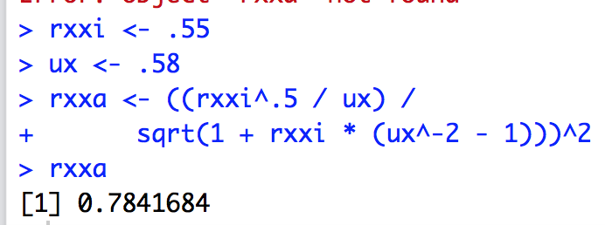
sums |  |  |  |  | 4059 |  | 560.28365258 |  |  |  |  | 1056.9679742 | 280.52174742 | 35.173904227 |  |  |  |  | 18.394054377
 |  |  |  |  |  | rbaro | 0.13803489839 |  |  |  |  |  | rbarC | V(rc) |  |  |  |  | V(e)
 |  |  |  |  | Schmidt says rxxi is UNDEFINED in the case of direct RR |  |  |  |  |  |  |  | 0.26540231517 | 0.033278117299 |  |  |  |  | 0.017402660086
 |  |  |  |  | But we estimated it anyway; otherwise we need and estimate of rxxa
 |  |  |  |  | from applicants or rxxi from incumbents with INDIRECT RR
 |  |  |  |  |  |  |  |  |  |  |  | Estimates | Values
 |  |  |  |  |  |  |  |  |  |  |  | k | 20.000
 |  |  |  |  |  |  |  |  |  |  |  | rbar | 0.138
 |  |  |  |  |  |  |  |  |  |  |  | Mrho | 0.265
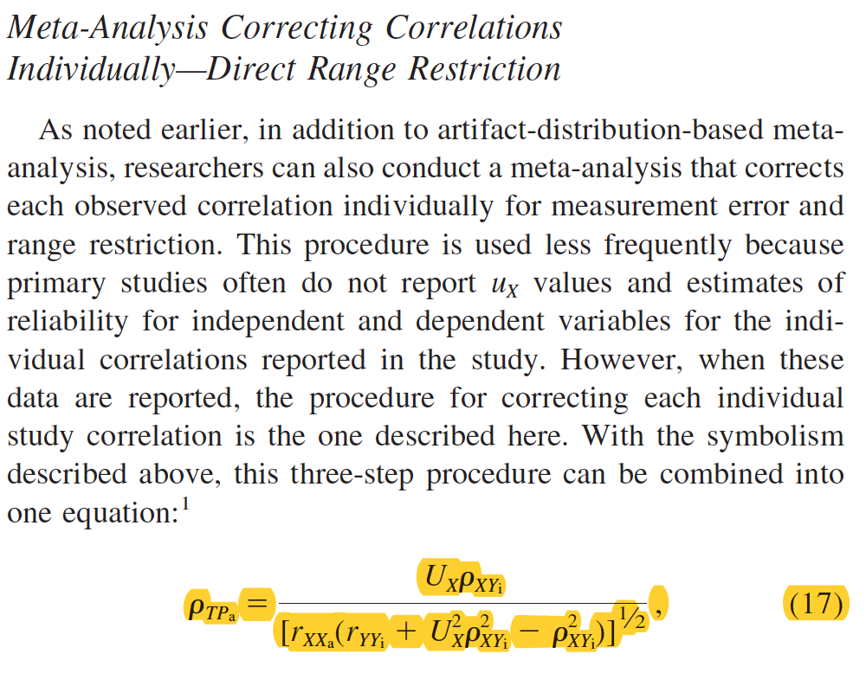
 |  |  |  |  |  |  |  |  |  |  |  | V(rho) | 0.016
 |  |  |  |  |  |  |  |  |  |  |  | SD(rho) | 0.126
 |  |  |  |  |  |  |  |  |  |  |  | M_St_Err | 0.041
 |  |  |  |  |  |  |  |  |  |  |  | CI95Lo | 0.185
 |  |  |  |  |  |  |  |  |  |  |  | CI95Hi | 0.345
 |  |  |  |  |  |  |  |  |  |  |  | CR80Lo | 0.104
 |  |  |  |  |  |  |  |  |  |  |  | CR80Hi | 0.427

